A.Substrate effect on rate
A. Study the effect of substrate structure on reaction velocity: using three different esters and the esterase enzyme.

Follow your slides carefully to set up the reaction mixture, as all details are given there.
Record the drops of KOH required every 20 s for maintaining the pH at 7.4, upto 280 s.
Caution: pH should be 7.4! If pH >7.45, the enzyme will die – so please start again!

* After the esterase reaction for all three esters, collect 6 drops into a weigh boat and note weight.
 |  | Weight of empty weigh boat = |  | gm |  |  |  | Weight of weigh boat plus 6 drops = |  | gm
 |  | Weight of 6 drops = | 0.000 | gm
 |  | Assume density = | 1.000 | gm/ml
 |  | So, volume of 6 drops = | 0.000 | ml |  |  |  | \ volume of 1 drop = | 0.000 | ml

title here
 | Ethyl acetate | Ethyl propanoate | Ethyl butanoate
0 | 0.000 | 0.000 | 0.000
20
40
60
80
100
120
140
160
180
200
220
240
260
280
Table 1: KOH (conc. = 20 mM) required to neutralise the acid produced upon esterase-catalysed hydrolysis of different ester substrates
Time (sec) | KOH used
 | 1. 50 ml phosphate buffer; |  |  |  | 1. 50 ml phosphate buffer; |  |  |  | 1. 50 ml phosphate buffer;
 | 2. 2.5 ml Ethyl acetate; |  |  |  | 2. 2.5 ml Ethyl propanoate; |  |  |  | 2. 2.5 ml Ethyl butanoate;
 | 3. 2 ml of esterase. |  |  |  | 3. 2 ml of esterase. |  |  |  | 3. 2 ml of esterase.
 | Drops per 20sec | Cumulative Total |  |  | Drops per 20sec | Cumulative Total |  |  | Drops per 20sec | Cumulative Total
 |  | Drops | Vol | mmol |  | Drops | Vol | mmol |  | Drops | Vol | mmol
 |  |  | (ml) | (n=cv) |  |  | (ml) | (n=cv) |  |  | (ml) | (n=cv)
0 |  |  |  | 0 |  |  |  | 0 |  |  |  | 0
20
40
60
80
100
120
140
160
180
200
220
240
260
280

Finished? Proceed to B. Km and Vmax (calculation)

A. Example
Hydrolysis of different esters by esterase
 | Ethyl acetate | Ethyl propanoate | Ethyl butanoate
0 | 0 | 0 | 0
20 | 0.736 | 2.94 | 1.47
40 | 2.208 | 4.42 | 4.42
60 | 2.208 | 5.88 | 5.88
80 | 2.94 | 7.36 | 6.62
100 | 2.94 | 8.1 | 8.5
120 | 3.68 | 10.3 | 10.8
140 | 3.68 | 10.3 | 11.58
160 | 4.42 | 11.78 | 13.04
180 | 5.16 | 13.98 | 13.98
200 | 5.16 | 14.72 | 15.44
220 | 5.16 | 16.92 | 17.76
240 | 5.88 | 16.92 | 20
260 | 6.62 | 19.14 | 21.6
280 | 6.62 | 20.6 | 22.4
Table 1: KOH required to neutralise the acid produced upon esterase-catalysed hydrolysis of different ester substrates
Time (sec) | KOH used
 | 50 ml phosphate buffer; |  |  |  | 50 ml phosphate buffer; |  |  |  | 50 ml phosphate buffer;
 | 2 ml of esterase; |  |  |  | 2 ml of esterase; |  |  |  | 2 ml of esterase;
 | 2.5 ml Ethyl acetate |  |  |  | 2.5 ml Ethyl propanoate |  |  |  | 2.5 ml Ethyl butanoate
 | Drops per 20sec | Cumulative Total |  |  | Drops per 20sec | Cumulative Total |  |  | Drops per 20sec | Cumulative Total
 |  | Drops | Vol | mmol |  | Drops | Vol | mmol |  | Drops | Vol | mmol
 |  |  | (ml) | (n=cv) |  |  | (ml) | (n=cv) |  |  | (ml) | (n=cv)
0 |  |  |  | 0 |  |  |  | 0 |  |  |  | 0
20 | 1 | 1 | 0.0368 | 0.736 | 4 | 4 | 0.147 | 2.94 | 2 | 2 | 0.0736 | 1.47
40 | 2 | 3 | 0.1104 | 2.208 | 2 | 6 | 0.221 | 4.42 | 4 | 6 | 0.2208 | 4.42
60 | 0 | 3 | 0.1104 | 2.208 | 2 | 8 | 0.294 | 5.88 | 2 | 8 | 0.294 | 5.88
80 | 1 | 4 | 0.147 | 2.94 | 2 | 10 | 0.368 | 7.36 | 1 | 9 | 0.331 | 6.62
100 | 0 | 4 | 0.147 | 2.94 | 1 | 11 | 0.405 | 8.1 | 2 | 11 | 0.425 | 8.5
120 | 1 | 5 | 0.184 | 3.68 | 3 | 14 | 0.515 | 10.3 | 3 | 14 | 0.54 | 10.8
140 | 0 | 5 | 0.184 | 3.68 | 0 | 14 | 0.515 | 10.3 | 1 | 15 | 0.579 | 11.58
160 | 1 | 6 | 0.221 | 4.42 | 2 | 16 | 0.589 | 11.78 | 2 | 17 | 0.652 | 13.04
180 | 1 | 7 | 0.258 | 5.16 | 3 | 19 | 0.699 | 13.98 | 2 | 19 | 0.699 | 13.98
200 | 0 | 7 | 0.258 | 5.16 | 1 | 20 | 0.736 | 14.72 | 1 | 20 | 0.772 | 15.44
220 | 0 | 7 | 0.258 | 5.16 | 3 | 23 | 0.846 | 16.92 | 3 | 23 | 0.888 | 17.76
240 | 1 | 8 | 0.294 | 5.88 | 0 | 23 | 0.846 | 16.92 | 3 | 26 | 1 | 20
260 | 1 | 9 | 0.331 | 6.62 | 3 | 26 | 0.957 | 19.14 | 2 | 28 | 1.08 | 21.6
280 | 0 | 9 | 0.331 | 6.62 | 2 | 28 | 1.03 | 20.6 | 1 | 29 | 1.12 | 22.4

B.Km & Vmax (calculation)
Homolactic fermention by the enzyme, lactate dehydrogenase (LDH) |  |  |  |  |  |  | Reaction 1 | DA | for 120 s | 0.0952 | Reaction 2 | DA | for 120 s | 0.0323
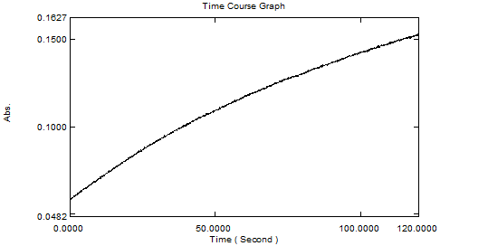
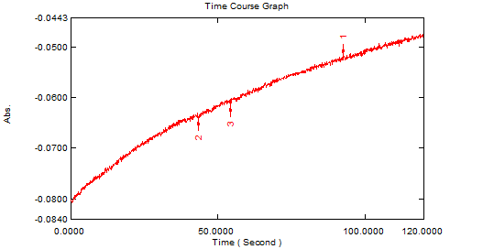

Brief instructions - complete all the white cells

1. From the spectrophotometric reaction curve results monitoring the formation of NAD+ alone, complete the column for ΔA in Table 3
2. Use the sample calculation to calculate the rate of the reaction, v |  |  |  |  |  |  | Reaction 3 | DA | for 120 s | 0.0479 | Reaction 4 | DA | for 120 s | 0.0686
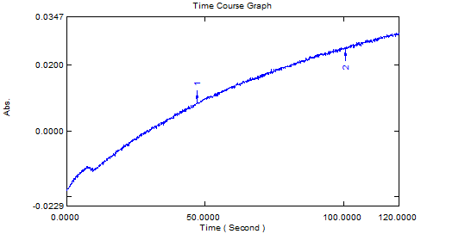
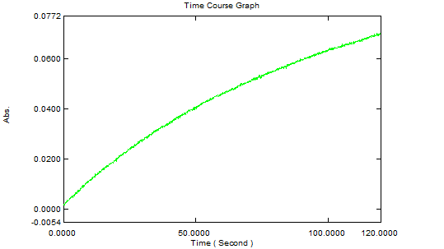
SAMPLE CALCULATION:
v = Absorbance change/min = X min-1, Assay vol = 1 ml = 10-3 l, Light path = 1cm
Beer-Lambert Law: A = e c.l or c = A /(e .l)
Therefore: concentration change per minute
= X min-1/(6.2 x 103 litre.mol-1.cm-1 x 1 cm)
= (X/6.2) x 10-3 M min-1
We now need to know how many moles per min in the assay
moles = concentration x volume
= (X/6.2) x 10-3 M min-1 x 10-3 L
= (X/6.2) x 10-6 mol min-1
click and type in the graph title here
 | Lineweaver-Burk plot
= (X/6.2) mmol min-1
→ 20 ml of enzyme will convert (X/6.2) mmol NAD+ to NADH per min. (v)

3. Complete the remaining calculations for the Lineweaver-Burk plot to refresh.

Table 2: Calculations for Lineweaver-Burk plot
Reaction no. | [NAD+] | 1/[NAD+] | ΔA | v | v | 1/v
 | (mM) | ie 1/[S] (mM-1) |  | (min-1) | (µmol. min-1) | (min. µmol-1)

 | [S] | 1/[S], i.e. reciprocal | for 120 s | per minute | v from sample calculation | 1/v, i.e. reciprocal
1 | 1
2 | 0.1
3 | 0.2
4 | 0.4

4. From the graph, determine the x and y intercepts and complete your calculations.
 | y intercept: |  |  | x intercept:
 | Vmax: | 1/y intercept |  | Km: | - 1/x intercept
 | Vmax: |  | µmol.min-1 | Km: |  | mM or mmol.L-1

If your line does not meet the negative x-axis, calculate Km from the slope of the line:
a. Slope = Km/Vmax = rise/run = (y2 - y1) / (x2-x1)
b. Using y intercept = 1/Vmax , Km = (Slope / y intercept) mM

Note: Km has the same units as [S] i.e. [NAD+]

Finished? Proceed to C. Allostery

B. Example
Lineweaver-Burk plot of lactate dehydrogenase and NAD+
SAMPLE CALCULATION:
Absorbance/min = X min-1, Assay vol = 1 ml = 10-3 l, Light path = 1cm
Beer-Lambert Law: A = e c.l or c = A /(e .l)
Therefore: concentration change per minute
= X min-1/(6.2 x 103 litre.mol-1.cm-1 x 1 cm)
= (X/6.2) x 10-3 M min-1
We now need to know how many moles per min in the assay
moles = concentration x volume
= (X/6.2) x 10-3 M min-1 x 10-3 L
= (X/6.2) x 10-6 mol min-1
= (X/6.2) mmol min-1
→ 20 ml of enzyme will convert (X/6.2) mmol NAD+ to NADH per min.
1/v = | (6.2/X) min. µmol-1 for 20 µl of enzyme

Table 2: Calculations for Lineweaver-Burk plot
Reaction no. | [NAD+] | 1/[NAD+] | DA | v | v | 1/v
 | ie [S] | ie 1/[S] |  | (min-1 per 20 µl of enzyme) | (µmol. min-1 per 20 µl of enzyme) | (20 µl of enzyme. min. µmol-1)

 | (mM) | (mM-1) | for 120 s | per minute | from sample calculation | reciprocal
1 | 1 | 1 | 0.206 | 0.103 | 0.0166 | 60.24
2 | 0.1 | 10 | 0.0438 | 0.0219 | 3.53X10-3 | 283.11
3 | 0.25 | 4 | 0.1122 | 0.0561 | 9.05X10-3 | 110.52
4 | 0.5 | 2 | 0.109 | 0.0545 | 8.79X10-3 | 113.76

From the graph,
Vmax: | 1/y intercept |  | Km: | - 1/x intercept

Vmax: | 0.03 | µmol.min-1 | Km: | 0.83 | mM or mmol.L-1

C. Allostery (q&a)
Allosteric effectors on the rate of oxidative deamination catalysed by the enzyme glutamate dehydrogenase (GDH)
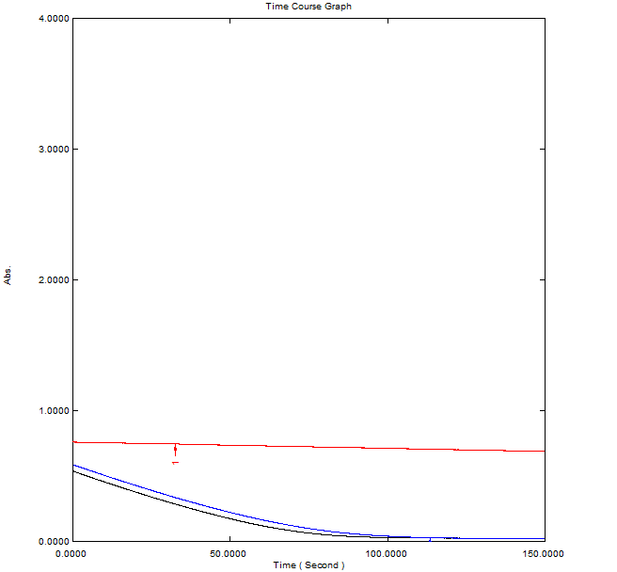

1. The rate of disappearance of NADH (v) is shown in blue (Reaction 1), by following the absorbance at 340 nm: so the graph has a negative slope.
2. The rate is also tracked in the presence of GTP (in red; Reaction 2) and ADP (in black; Reaction 3).
3. From the values for the reaction rate shown in Table 2, , determine the nature of the allostery (positive or negative) for GTP and ADP and why you have come to this conclusion.

Table 2: Comparison of reaction velocities for Reactions 1-3

 | Reaction no. | v min-1 per 450 µl of enzyme
 | 1 | -0.417
 | 2 (GTP) | -0.0287
 | 3 (ADP) | -0.4208

Q: From the results in Table 2, did you find that GTP or ADP acted as effectors of GDH? For each effector, classify if it is a positive effector or a negative effector (inhibitors) of GDH activity. Also provide a reason why. (Hint: compare the reaction rates for Reactions 2 and 3 with that of Reaction 1)

